Final
Supplier&Customer
 | Table 1 | Supplier |  |  |  | Table 2 | Customer
 | ID | Supplier Name | Active Status |  |  | ID | Customer Name | Active Status
 | S1 |  |  |  |  | C1
 | S2 |  |  |  |  | C2
 | S3 |  |  |  |  | C3 |  |  |  |  |  | select district_ID from table 6 where postal code = (select postal code from table 3 where ID = C2))

Question | Table 3 | Personal info
 | ID | Phone | E-mail | Short_code(If C,then only Birthdate) | Birthdate | Add-1 | Postal_code
 | S1 |  |  | N | NA'
 | C2 |  |  | Y | 21-May-97
 | S3

 | Table 4 | Log in |  |  | Table 6 |  |  | Table 7
 | ID | Username | Password |  | Postal_code | District_ID |  | District_name | District ID | State
 | S1 |  |  |  |  |  |  | mumbai | 1 | mh
 | C1 |  |  |  |  |  |  | pune | 2 | mh
 |  |  |  |  |  |  |  | kolhapur | 3 | mh

 | Table 5 |  |  |  | Table 8
 | ID | Type of User | Short_code |  | State | Country
 | S1 | Supplier | S
 | C1 | Customer | C

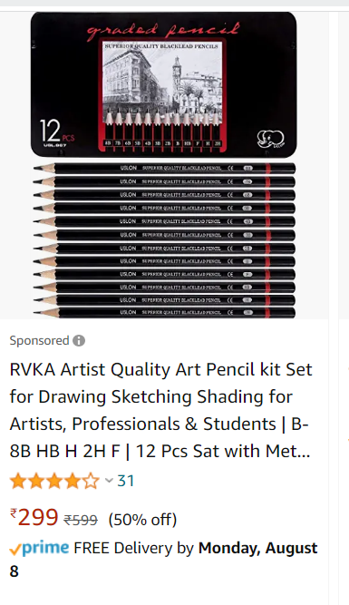
Product

 | Table 9 | Product_info
 | Product_Id | Product_Name | Size | colour | weight | no.of items per unit product | cost | Brand | Country of Origin | Lead time
 | TV_12 | Television 32" | 32 inch | Black | 2KG | 1 | 50000 | LG | India | 20
 | Pen_12 | Pencil Box | 2B | Black | 200gm | 12 | 100 | Camel | India | 20

 | Table 10 | Stock
 | Supplier_ID | Product_Id | Product_stock | Discount
 | S1 | TV_12 | 10 | 10%
 | S2 | TV_12 | 15 | 9%
 | S3 | Pen_12 | 10 | 10%
 | S4 | Pen_12 | 20 | 10%

 | Table 11 | category
 | Product_Id | Category_ID
 | TV_12 | 1
 | BK_12 | 2

 | Table 12
 | Category_ID | Category_Name
 | 1 | Electronics
 | 2 | Books

Order

Table 13
Order_id | Supplier_ID | Customer_id | Payment_id | Order_date | Required_date | Shipment_ID | Paid | payment_Date | Transaction_status | Payment_date
ORD_123

 |  |  |  |  |  |  | Table 18 |  |  |  | Table 19
Table 14 | Payment |  |  | Bank related |  |  | Payment_type | Payment type_ID |  | Unique ID | Supplier_ID | Payment type_ID
Order_ID | Payment_id | Payment_ID | Time_Stamp | Transaction_ID |  |  | COD | 1 |  | S1-1 | S1 | 1
ORD_123 | Pay_123 | 1 |  |  |  |  | Internet Banking | 2 |  | S1-2 | S1 | 2
ORD_124 | Pay_124 | 2 |  |  |  |  | UPI | 3 |  | S1-3 | S1 | 3
 |  |  |  |  |  |  | Credit card | 4 |  | S2-2 | S2 | 2
 |  |  |  |  |  |  | Debit card | 5 |  | S2-3 | S2 | 3
 |  |  |  |  |  |  | Wallet | 6 |  | S2-4 | S2 | 4
Table 15 | Shipment
Shipment_ID | Order_id | Ship_date | Ship method | Delivery cost | Expected Delivery date | Delivery Status
XYZ |  | 2022-08-14 | Air | 100 | 2022-09-03 | Deliverd

Table 16 | Tracking 1
Shipment_ID | Order received Date | Order packed Date | Shipped date | delivered date
XYZ | 2022-08-12 | 2022-08-13

Table 17 | Tracking 2
Shipment_ID | Order received status | Order packed status | Shipped status | Delivered status
XYZ | Y | Y | N | N

Bank Details | Table 18 |  |  |  |  |  | Table 19 |  |  | Table 20
ID | Account no | bank Name | IFSC code | Credit card | Debit card |  | Account no | Account holder name |  | Branch | IFSC code
C2 | 987654321 | HDFC Bank | 123456 |  | 99887766554 |  | 987654321 | Manasi Ghodake |  | Mumbai | 123456
C2 | 987654321 | HDFC Bank | 123456 | 9988112233 |  |  | 987654322 | Manasi Ghodake |  | Pune | 123455
C2 | 987654322 | ICIC bank | 123455 | 9988112233 |  |  |  |  |  | Sangli | 12344

Table 21
UPI Details
ID | UPI name
C2 | manasi@hdfc.ac.in

Review

Invoice

